Executive Summary
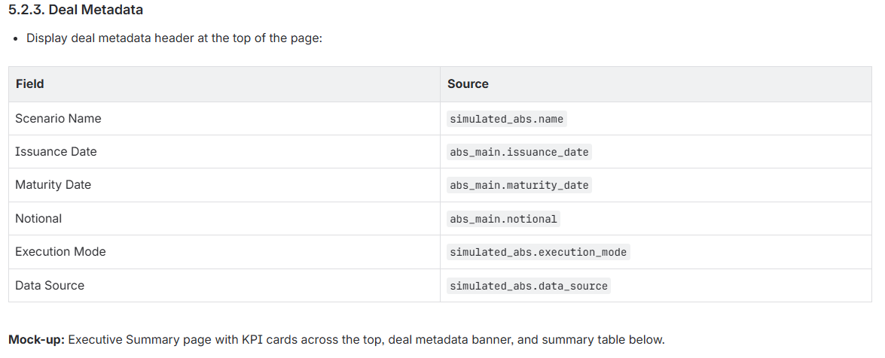
所有数据来自simulation_output_summary |  | execution_mode切片器现在是否要做（历史和快速模式产出powerbi界面是否一样）
ABS Lifecycle Simulation — Executive Summary
Scenario: Baseline Historical Replay | Issuance: 1 Jul 2023 | Maturity: 30 Jun 2025 | Notional: IDR 10,000,000,000

simulation_output_summary | simulation_output_summary | simulation_output_summary | simulation_output_summary | simulation_output_summary
Equity IRR | Class A IRR | Class B IRR | Min OC Ratio | OC Breach Days | Default Rate | Recovery Rate | Net Loss
14.2% | 8.5% | 10.1% | 107.3% | 12 | 6.8% | 22.4% | IDR 527M
simulation_output_summary.equity_irr | simulation_output_summary.class_a_irr | simulation_output_summary.class_b_irr | imulation_output_summary.min_oc_ratio | simulation_output_summary.oc_breach_count | simulation_output_summary.realized_default_rate | simulation_output_summary.realized_recovery_rate | simulation_output_summary.net_loss
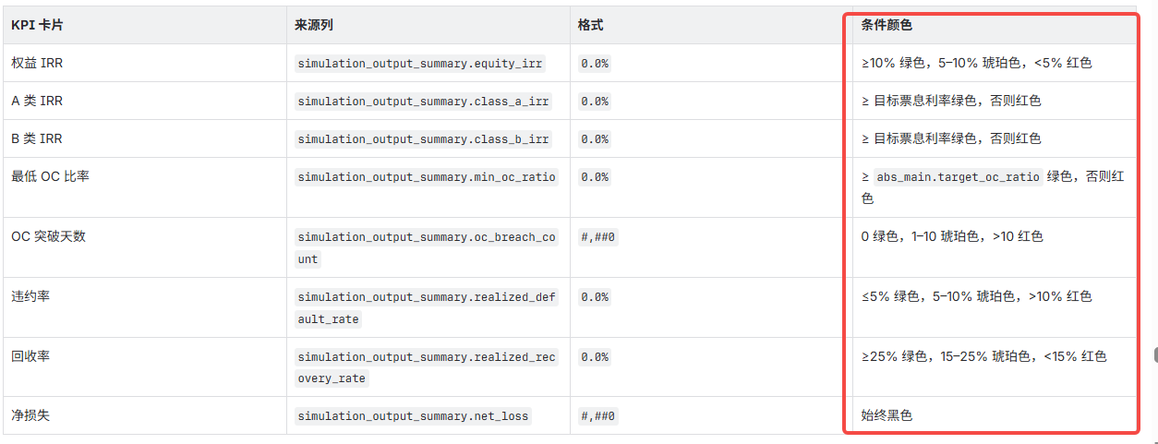

Deal Metrics
Metric | Unit | Value
ABS Notional | IDR | 10,000,000,000 | abs_main.notional | 和simulation_output_summary.total_notional_purchased 是否是一个东西
Total Loans Purchased | # | 8,432 | simulation_output_summary.total_loans_purchased
Total Collections | IDR | 12,845,000,000 | simulation_output_summary.total_defaults
Total Defaults (Count) | # | 574 | simulation_output_summary.total_default_amount
Total Default Amount | IDR | 680,000,000 | simulation_output_summary.total_default_amount
Total Recovery Amount | IDR | 152,320,000 | simulation_output_summary.total_recovery_amount
Net Loss | IDR | 527,680,000 | simulation_output_summary.net_loss
Replenishment Requested | IDR | 7,200,000,000 | simulation_output_summary.total_replenishment_requested
Replenishment Fulfilled | IDR | 6,840,000,000 | simulation_output_summary.total_replenishment_fulfilled
Replenishment Shortfall | IDR | 360,000,000 | simulation_output_summary.total_replenishment_shortfall
Replenishment Failure Count | # | 4 | simulation_output_summary.replenishment_failure_count
Max Deferred Interest (A) | IDR | 45,000,000 | simulation_output_summary.max_deferred_interest_a
Max Deferred Interest (B) | IDR | 28,000,000 | simulation_output_summary.max_deferred_interest_b
Legal Maturity Unpaid | IDR | 0 | simulation_output_summary.legal_maturity_unpaid
WAL Class A | years | 1.42 | simulation_output_summary.wal_a
WAL Class B | years | 1.68 | simulation_output_summary.wal_b
Equity Multiple | x | 1.31 | simulation_output_summary.equity_multiple

simulation_output_summary: | 是否是个汇总值
Column | Type | Description
id | VARCHAR(36) | PK
simulated_abs_id | VARCHAR(36) | FK to simulated_abs | 切片器
total_loans_purchased | INT | Count of loans purchased
total_notional_purchased | DECIMAL(18,4) | Total principal purchased
total_collections | DECIMAL(18,4) | Lifetime collections
total_defaults | INT | Count of charged-off loans
total_default_amount | DECIMAL(18,4) | Total charged-off principal
total_recovery_amount | DECIMAL(18,4) | Total recoveries
net_loss | DECIMAL(18,4) | Defaults minus recoveries
realized_default_rate | DECIMAL(10,5) | Default amount / purchased notional
realized_recovery_rate | DECIMAL(10,5) | Recovery / default amount
oc_breach_count | INT | Number of days with OC breach
min_oc_ratio | DECIMAL(10,5) | Lowest OC ratio observed
first_oc_breach_date | DATE | Date of first OC breach (NULL if none)
total_replenishment_requested | DECIMAL(18,4) | Cumulative replenishment demand
total_replenishment_fulfilled | DECIMAL(18,4) | Cumulative fulfilled
total_replenishment_shortfall | DECIMAL(18,4) | Cumulative shortfall
replenishment_failure_count | INT | Number of days replenishment was requested but not fully met
max_deferred_interest_a | DECIMAL(18,4) | Peak deferred Class A interest
max_deferred_interest_b | DECIMAL(18,4) | Peak deferred Class B interest
legal_maturity_unpaid | DECIMAL(18,4) | Total unpaid tranche balance at maturity
class_a_irr | DECIMAL(10,5) | Realized Class A IRR
class_b_irr | DECIMAL(10,5) | Realized Class B IRR
equity_irr | DECIMAL(10,5) | Realized equity IRR
equity_multiple | DECIMAL(10,5) | Equity cash-on-cash multiple
wal_a | DECIMAL(10,5) | Weighted average life — Class A (years)
wal_b | DECIMAL(10,5) | Weighted average life — Class B (years)

Portfolio Performance
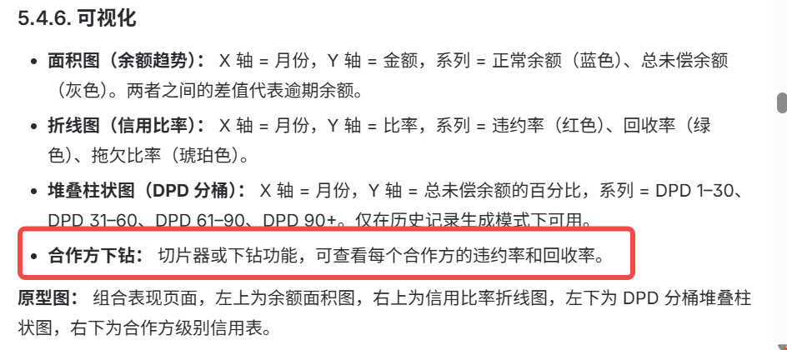

 |  |  |  |  | simulation_output_metric表，每天更新，取每月最后一天的值

 |  | 和Daily Metrics逻辑不一致 |  |  |  | 和Daily Metrics逻辑不一致 |  | 以下几个指标也是历史记录模式下
 |  | metric_name = 'PORTFOLIO_PERFORMING_BALANCE'，metric_scope IS NULL | metric_name = 'PORTFOLIO_TOTAL_OUTSTANDING'，metric_scope IS NULL | metric_name = 'DEFAULT_RATE', metric_scope IS NULL | metric_name = 'RECOVERY_RATE', metric_scope IS NULL | metric_name = 'DELINQUENCY_RATIO', metric_scope IS NULL | metric_name = 'DPD_BUCKET_1_30' | metric_name = 'DPD_BUCKET_31_60' | metric_name = 'DPD_BUCKET_61_90' | metric_name = 'DPD_BUCKET_90_PLUS' | 需要powerbi里计算 | 需要powerbi里计算 | 需要powerbi里计算

来自simulation_output_metric表 |  |  |  |  |  |  | simulation_output_metric表的衍生指标
Month | Date | Performing Balance | Total Outstanding | Default Rate | Recovery Rate | Delinquency Ratio | DPD 1-30 | DPD 31-60 | DPD 61-90 | DPD 90+ | Cumulative Defaults | Cumulative Recoveries | Net Loss
1 | Jul-23 | 9,505,544,818 | 10,123,955,304 | 0.8% | 16.6% | 4.6% | 2.0% | 1.4% | 0.7% | 0.5% | 0 | 0 | 0
2 | Aug-23 | 9,693,108,453 | 10,380,351,596 | 0.9% | 27.0% | 6.0% | 3.6% | 1.6% | 1.2% | 0.0% | 0 | 0 | 0
3 | Sep-23 | 9,741,085,386 | 10,356,297,638 | 1.3% | 27.5% | 5.3% | 3.1% | 1.5% | 0.8% | 0.0% | 22,775,746 | 0 | 22,775,746
4 | Oct-23 | 9,872,807,041 | 10,523,907,026 | 1.6% | 24.4% | 3.7% | 1.5% | 0.8% | 0.5% | 0.8% | 47,367,034 | 0 | 47,367,034
5 | Nov-23 | 9,133,235,230 | 9,442,629,864 | 2.0% | 25.6% | 2.4% | 1.2% | 0.6% | 0.3% | 0.3% | 68,572,065 | 5,427,701 | 63,144,364
6 | Dec-23 | 9,816,853,108 | 10,357,219,479 | 2.3% | 27.9% | 6.6% | 3.1% | 1.3% | 0.9% | 1.2% | 106,176,319 | 15,900,854 | 90,275,465
7 | Jan-24 | 9,336,896,145 | 9,758,375,560 | 2.6% | 23.2% | 5.6% | 2.5% | 1.3% | 0.8% | 1.1% | 122,047,064 | 19,581,595 | 102,465,469
8 | Feb-24 | 9,463,613,336 | 9,882,463,400 | 2.5% | 22.0% | 2.8% | 1.5% | 0.6% | 0.4% | 0.4% | 153,978,823 | 26,610,047 | 127,368,776
9 | Mar-24 | 9,704,052,950 | 9,977,144,109 | 3.0% | 15.8% | 4.3% | 1.9% | 1.0% | 0.8% | 0.6% | 180,352,609 | 30,765,045 | 149,587,564
10 | Apr-24 | 8,818,077,037 | 9,127,911,566 | 3.1% | 15.3% | 5.2% | 3.1% | 1.2% | 0.9% | 0.0% | 218,789,601 | 36,642,349 | 182,147,252
11 | May-24 | 8,739,034,910 | 9,411,737,013 | 3.4% | 15.3% | 2.9% | 1.2% | 0.8% | 0.5% | 0.4% | 240,328,537 | 39,939,034 | 200,389,503
12 | Jun-24 | 8,517,298,332 | 8,773,390,910 | 4.0% | 26.2% | 2.7% | 1.5% | 0.8% | 0.3% | 0.1% | 256,098,890 | 44,073,844 | 212,025,046
13 | Jul-24 | 8,995,224,951 | 9,692,268,263 | 4.2% | 25.7% | 2.5% | 1.3% | 0.7% | 0.3% | 0.2% | 294,273,317 | 53,894,300 | 240,379,017
14 | Aug-24 | 7,769,164,077 | 7,980,977,158 | 4.9% | 26.7% | 4.1% | 2.0% | 1.0% | 0.6% | 0.5% | 319,510,252 | 60,642,538 | 258,867,714
15 | Sep-24 | 7,758,151,594 | 7,962,441,819 | 5.2% | 24.5% | 7.0% | 3.8% | 1.7% | 1.2% | 0.3% | 363,474,464 | 71,428,619 | 292,045,845
16 | Oct-24 | 8,908,670,069 | 9,374,507,762 | 5.1% | 21.5% | 6.4% | 2.9% | 1.8% | 1.2% | 0.5% | 381,074,351 | 75,218,511 | 305,855,840
17 | Nov-24 | 6,902,635,837 | 7,233,151,353 | 5.5% | 20.7% | 2.2% | 1.2% | 0.5% | 0.3% | 0.2% | 420,009,321 | 83,272,148 | 336,737,173
18 | Dec-24 | 8,597,122,128 | 9,130,754,310 | 5.6% | 15.2% | 7.7% | 3.2% | 2.1% | 1.1% | 1.3% | 457,754,261 | 88,991,362 | 368,762,899
19 | Jan-25 | 7,340,920,708 | 7,703,923,952 | 6.3% | 16.4% | 3.3% | 1.8% | 0.8% | 0.5% | 0.2% | 486,952,076 | 93,778,577 | 393,173,499
20 | Feb-25 | 7,480,725,670 | 7,965,148,485 | 6.2% | 25.5% | 3.6% | 1.6% | 0.8% | 0.4% | 0.8% | 505,538,718 | 98,526,130 | 407,012,588
21 | Mar-25 | 7,586,229,363 | 7,822,229,301 | 6.5% | 22.3% | 6.4% | 3.8% | 1.6% | 0.8% | 0.2% | 523,554,501 | 102,536,980 | 421,017,521
22 | Apr-25 | 8,111,290,657 | 8,360,846,622 | 6.6% | 23.0% | 3.7% | 2.2% | 0.9% | 0.6% | 0.0% | 542,342,886 | 106,860,568 | 435,482,318
23 | May-25 | 6,028,574,182 | 6,464,821,006 | 7.3% | 22.0% | 4.6% | 2.0% | 1.0% | 0.9% | 0.8% | 571,674,762 | 113,325,594 | 458,349,168
24 | Jun-25 | 5,953,989,448 | 6,099,534,305 | 7.6% | 15.8% | 2.9% | 1.5% | 0.7% | 0.6% | 0.2% | 590,228,308 | 116,257,821 | 473,970,487

Default Rate & Delinquency Ratio

Performing Balance Trend

Liquidity & OC
所有数据来自simulation_output_metric （Target OC Ratio来自abs_main.target_oc_ratio，abs_main.min_reserve_amount）
 |  | metric_name = 'OC_RATIO'，metric_scope IS NULL | metric_name = 'OC_BREACH', metric_scope IS NULL | abs_main.target_oc_ratio (static) | metric_name = 'RESERVE_BALANCE', metric_scope IS NULL | abs_main.min_reserve_amount (static) | metric_name = 'SPV_CASH_BALANCE', metric_scope IS NULL | metric_name = 'TRANCHE_OUTSTANDING', metric_scope = 'tranche:CLASS_A' | metric_name = 'TRANCHE_OUTSTANDING', metric_scope = 'tranche:CLASS_B' | metric_name = 'DEFERRED_INTEREST', metric_scope = 'tranche:CLASS_A' | metric_name = 'DEFERRED_INTEREST', metric_scope = 'tranche:CLASS_B'

 | metric_scope需要看一下枚举值

Month | Date | OC Ratio | OC Breach | Target OC | Reserve Balance | Min Reserve | SPV Cash Balance | Class A Outstanding | Class B Outstanding | Deferred Int A | Deferred Int B
1 | Jul-23 | 118.12% | 0 | 110.00% | 14,094,765 | 200,000,000 | 337,222,249 | 7,000,000,000 | 2,000,000,000 | 0 | 0 | 9,505,544,818 | 9,519,639,583
2 | Aug-23 | 113.81% | 0 | 110.00% | 26,933,353 | 200,000,000 | 235,154,339 | 7,000,000,000 | 2,000,000,000 | 0 | 0 |  | 9,000,000,000
3 | Sep-23 | 115.54% | 0 | 110.00% | 44,835,853 | 200,000,000 | 397,009,378 | 7,000,000,000 | 2,000,000,000 | 0 | 0 | OC Ratio | 105.8%
4 | Oct-23 | 114.44% | 0 | 110.00% | 59,151,263 | 200,000,000 | 282,889,274 | 7,000,000,000 | 2,000,000,000 | 0 | 0
5 | Nov-23 | 117.92% | 0 | 110.00% | 78,365,116 | 200,000,000 | 162,336,372 | 7,000,000,000 | 2,000,000,000 | 0 | 0
6 | Dec-23 | 113.69% | 0 | 110.00% | 93,271,538 | 200,000,000 | 147,117,128 | 7,000,000,000 | 2,000,000,000 | 0 | 0
7 | Jan-24 | 113.39% | 0 | 110.00% | 99,397,511 | 200,000,000 | 100,802,717 | 7,000,000,000 | 2,000,000,000 | 0 | 0
8 | Feb-24 | 115.60% | 0 | 110.00% | 113,304,679 | 200,000,000 | 187,377,787 | 7,000,000,000 | 2,000,000,000 | 0 | 0
9 | Mar-24 | 113.85% | 0 | 110.00% | 128,909,016 | 200,000,000 | 310,896,267 | 7,000,000,000 | 2,000,000,000 | 0 | 0
10 | Apr-24 | 115.63% | 0 | 110.00% | 144,219,790 | 200,000,000 | 377,173,313 | 7,000,000,000 | 2,000,000,000 | 0 | 0
11 | May-24 | 118.30% | 0 | 110.00% | 158,595,660 | 200,000,000 | 298,354,913 | 7,000,000,000 | 2,000,000,000 | 0 | 0
12 | Jun-24 | 119.47% | 0 | 110.00% | 169,972,744 | 200,000,000 | 263,368,714 | 7,000,000,000 | 2,000,000,000 | 0 | 0
13 | Jul-24 | 117.18% | 0 | 110.00% | 188,598,916 | 200,000,000 | 347,989,348 | 6,725,723,278 | 2,000,000,000 | 0 | 0
14 | Aug-24 | 106.16% | 1 | 110.00% | 198,213,093 | 200,000,000 | 324,687,317 | 6,444,012,334 | 2,000,000,000 | 0 | 0
15 | Sep-24 | 102.75% | 1 | 110.00% | 213,543,263 | 200,000,000 | 309,920,105 | 6,192,101,305 | 2,000,000,000 | 22,521,248 | 0
16 | Oct-24 | 102.48% | 1 | 110.00% | 219,141,175 | 200,000,000 | 229,608,599 | 6,506,607,050 | 1,887,444,815 | 4,109,710 | 26,933,511
17 | Nov-24 | 110.85% | 0 | 110.00% | 232,769,162 | 200,000,000 | 385,235,883 | 6,040,273,653 | 1,812,434,947 | 12,127,996 | 1,126,487
18 | Dec-24 | 116.05% | 0 | 110.00% | 244,826,674 | 200,000,000 | 295,452,847 | 6,037,070,504 | 1,884,146,845 | 26,339,833 | 17,773,972
19 | Jan-25 | 113.93% | 0 | 110.00% | 251,195,310 | 200,000,000 | 204,388,317 | 6,400,017,957 | 1,789,375,968 | 38,597,989 | 9,234,503
20 | Feb-25 | 115.55% | 0 | 110.00% | 251,066,642 | 200,000,000 | 344,069,810 | 6,201,926,577 | 1,818,583,077 | 14,153,272 | 9,051,666
21 | Mar-25 | 117.76% | 0 | 110.00% | 256,983,305 | 200,000,000 | 396,435,764 | 6,073,871,691 | 1,791,481,281 | 18,596,141 | 5,252,311
22 | Apr-25 | 112.89% | 0 | 110.00% | 267,075,865 | 200,000,000 | 327,997,161 | 6,409,011,080 | 1,779,663,876 | 41,745,274 | 12,267,251
23 | May-25 | 115.59% | 0 | 110.00% | 264,165,788 | 200,000,000 | 282,661,500 | 6,349,418,233 | 1,855,156,804 | 24,787,755 | 15,463,039
24 | Jun-25 | 110.75% | 0 | 110.00% | 274,920,346 | 200,000,000 | 238,434,368 | 6,431,931,143 | 1,693,607,070 | 22,426,898 | 20,064,893

OC Ratio vs Target

Replenishment
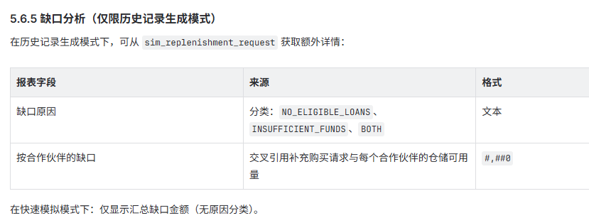

 |  |  |  |  |  | ???????????
 |  | metric_name = 'REPLENISHMENT_REQUESTED'，metric_scope IS NULL | metric_name = 'REPLENISHMENT_FULFILLED'，metric_scope IS NULL | metric_name = 'REPLENISHMENT_SHORTFALL'，metric_scope IS NULL | Fulfilled / Requested per month. Handle division by zero: display N/A if Requested = 0 | In Historical Record Generation mode, additional detail is available from sim_replenishment_request (or equivalent working data table): | metric_name = 'PARTNER_CONCENTRATION', metric_scope = 'partner:{partner_id}'

所有数据来自simulation_output_metric
Month | Date | Requested | Fulfilled | Shortfall | Fulfillment Rate | Shortfall Reason | Partner KPI Share | Partner FDI Share | Partner SCB Share
1 | Jul-23 | 301,774,403 | 268,885,138 | 32,889,265 | 89.1% | Minor shortfall | 42.5% | 39.7% | 17.8%
2 | Aug-23 | 248,746,181 | 232,003,016 | 16,743,165 | 93.3% | Minor shortfall | 35.8% | 38.8% | 25.4%
3 | Sep-23 | 301,648,178 | 296,188,026 | 5,460,152 | 98.2% |  | 43.0% | 29.1% | 27.9%
4 | Oct-23 | 358,001,236 | 326,583,536 | 31,417,700 | 91.2% | Minor shortfall | 44.0% | 32.6% | 23.4%
5 | Nov-23 | 364,109,895 | 324,941,081 | 39,168,813 | 89.2% | Minor shortfall | 34.5% | 33.8% | 31.7%
6 | Dec-23 | 399,780,467 | 369,175,694 | 30,604,773 | 92.3% | Minor shortfall | 32.2% | 33.1% | 34.7%
7 | Jan-24 | 269,024,788 | 250,942,990 | 18,081,798 | 93.3% | Minor shortfall | 38.2% | 31.8% | 30.0%
8 | Feb-24 | 264,355,470 | 232,182,843 | 32,172,627 | 87.8% | Minor shortfall | 40.5% | 33.6% | 26.0%
9 | Mar-24 | 246,712,489 | 238,406,092 | 8,306,397 | 96.6% |  | 30.7% | 36.2% | 33.2%
10 | Apr-24 | 341,045,576 | 233,272,826 | 107,772,750 | 68.4% | Insufficient eligible loans | 35.8% | 35.0% | 29.3%
11 | May-24 | 364,149,510 | 270,667,360 | 93,482,150 | 74.3% | Insufficient eligible loans | 37.4% | 25.6% | 37.0%
12 | Jun-24 | 300,458,230 | 182,246,891 | 118,211,340 | 60.7% | Insufficient eligible loans | 43.1% | 38.1% | 18.8%
13 | Jul-24 | 288,061,242 | 168,251,640 | 119,809,602 | 58.4% | Insufficient eligible loans | 36.9% | 35.8% | 27.3%
14 | Aug-24 | 281,995,724 | 267,393,195 | 14,602,528 | 94.8% | Minor shortfall | 32.3% | 32.0% | 35.6%
15 | Sep-24 | 393,840,726 | 354,765,498 | 39,075,229 | 90.1% | Minor shortfall | 40.4% | 34.8% | 24.9%
16 | Oct-24 | 370,353,058 | 362,150,183 | 8,202,876 | 97.8% |  | 42.9% | 30.7% | 26.4%
17 | Nov-24 | 263,332,231 | 252,221,616 | 11,110,615 | 95.8% |  | 41.4% | 38.1% | 20.5%
18 | Dec-24 | 207,179,820 | 178,229,157 | 28,950,663 | 86.0% | Minor shortfall | 39.5% | 38.8% | 21.7%
19 | Jan-25 | 149,742,592 | 132,775,498 | 16,967,095 | 88.7% | Amortisation phase | 36.5% | 26.5% | 37.0%
20 | Feb-25 | 113,374,783 | 104,094,468 | 9,280,315 | 91.8% | Amortisation phase | 36.7% | 35.4% | 27.9%
21 | Mar-25 | 140,342,406 | 99,853,305 | 40,489,101 | 71.1% | Amortisation phase | 41.9% | 29.4% | 28.7%
22 | Apr-25 | 87,484,109 | 64,422,637 | 23,061,472 | 73.6% | Amortisation phase | 38.0% | 33.5% | 28.5%
23 | May-25 | 129,251,947 | 95,969,043 | 33,282,905 | 74.2% | Amortisation phase | 31.2% | 38.1% | 30.8%
24 | Jun-25 | 111,971,037 | 85,121,216 | 26,849,821 | 76.0% | Amortisation phase | 43.7% | 27.2% | 29.2%

Replenishment: Requested vs Fulfilled

Daily Metrics
Daily Metrics — Simulation Output (Weekly Samples)

Source: simulation_output_metric | 730 days sampled weekly | Baseline Historical Replay
 | metric_name = 'PORTFOLIO_PERFORMING_BALANCE' | metric_name = 'PORTFOLIO_TOTAL_OUTSTANDING' | metric_name = 'DEFAULT_RATE' WHERE metric_scope IS NULL | metric_name = 'RECOVERY_RATE' WHERE metric_scope IS NULL | metric_name = 'DELINQUENCY_RATIO' | metric_name = 'OC_RATIO' | metric_name = 'RESERVE_BALANCE' | metric_name = 'SPV_CASH_BALANCE' | metric_name = 'DAILY_COLLECTIONS' | metric_name = 'DAILY_CASH_OUT' | metric_name = 'DPD_BUCKET_CURRENT' | metric_name = 'DPD_BUCKET_1_30' | metric_name = 'DPD_BUCKET_31_60' | metric_name = 'DPD_BUCKET_61_90' | metric_name = 'DPD_BUCKET_90_PLUS' | metric_name = 'WAREHOUSE_BALANCE' | metric_name = 'WAREHOUSE_ELIGIBLE_BALANCE' | metric_name = 'WAREHOUSE_NEW_BOOKINGS' | metric_name = 'WAREHOUSE_NEW_BOOKINGS_AMOUNT' | metric_name = 'PARTNER_CONCENTRATION' — 每个 metric_scope 一条系列

Date | Portfolio Metrics |  |  |  |  | OC & Liquidity |  |  | Daily Flows |  | DPD Buckets |  |  |  |  | Warehouse |  |  |  | Concentration
Date | Performing Balance | Total Outstanding | Default Rate | Recovery Rate | Delinquency Ratio | OC Ratio | Reserve Balance | SPV Cash Balance | Daily Collections | Daily Cash Out | DPD Current | DPD 1-30 | DPD 31-60 | DPD 61-90 | DPD 90+ | WH Balance | WH Eligible | WH New Bookings | WH New Amount | Partner KPI % | Partner FDI % | Partner SCB %
1-Jul-23 | 9,492,665,055 | 10,245,105,348 | 0.66% | 24.27% | 3.64% | 117.54% | 59,146,353 | 498,397,941 | 31,673,050 | 26,552,248 | 94.62% | 1.96% | 1.95% | 0.91% | 0.56% | 5,596,760,897 | 2,582,530,476 | 33 | 64,774,434 | 44.2% | 35.3% | 20.5%
8-Jul-23 | 9,340,041,238 | 9,891,379,078 | 1.14% | 18.31% | 4.01% | 117.00% | 55,833,564 | 302,737,859 | 44,527,075 | 8,469,374 | 95.47% | 1.82% | 1.32% | 0.84% | 0.55% | 5,690,417,392 | 3,342,388,597 | 21 | 37,437,841 | 35.7% | 36.6% | 27.7%
15-Jul-23 | 9,693,242,479 | 10,423,593,822 | 0.96% | 23.30% | 2.75% | 117.42% | 57,547,027 | 213,605,159 | 22,804,689 | 102,914,687 | 94.54% | 2.02% | 1.89% | 0.79% | 0.75% | 5,074,503,723 | 3,130,878,384 | 30 | 36,930,398 | 40.4% | 40.0% | 19.6%
22-Jul-23 | 9,636,950,116 | 10,346,576,447 | 1.00% | 21.76% | 3.66% | 115.88% | 41,342,534 | 479,372,259 | 29,331,876 | 29,663,469 | 95.32% | 1.78% | 1.77% | 0.71% | 0.42% | 5,300,543,355 | 2,707,343,171 | 22 | 30,569,495 | 42.6% | 36.1% | 21.3%
29-Jul-23 | 10,190,391,882 | 10,755,062,332 | 1.24% | 24.91% | 3.27% | 119.43% | 48,718,848 | 476,986,938 | 30,232,130 | 29,616,484 | 94.50% | 2.04% | 1.75% | 1.13% | 0.58% | 4,637,752,669 | 2,586,549,404 | 26 | 45,029,502 | 42.6% | 33.8% | 23.6%
5-Aug-23 | 9,687,373,654 | 10,420,459,347 | 1.26% | 20.06% | 4.66% | 117.51% | 56,654,770 | 411,295,773 | 25,161,458 | 8,455,091 | 94.49% | 1.83% | 1.96% | 1.05% | 0.67% | 5,967,907,588 | 3,840,073,708 | 32 | 57,127,683 | 42.9% | 30.1% | 27.0%
12-Aug-23 | 9,300,544,763 | 9,737,173,541 | 1.09% | 21.33% | 2.85% | 117.10% | 53,932,157 | 281,005,358 | 19,579,168 | 32,689,551 | 94.35% | 2.69% | 1.48% | 0.77% | 0.72% | 5,698,830,856 | 3,198,606,429 | 33 | 90,109,780 | 40.6% | 36.7% | 22.7%
19-Aug-23 | 9,971,098,121 | 10,649,071,546 | 1.14% | 25.39% | 4.05% | 118.27% | 53,225,436 | 452,486,406 | 33,816,522 | 9,528,722 | 94.78% | 2.30% | 1.64% | 0.86% | 0.43% | 5,211,739,016 | 2,668,835,499 | 29 | 36,544,976 | 38.7% | 32.9% | 28.4%
26-Aug-23 | 9,455,508,632 | 9,751,782,901 | 0.95% | 22.02% | 3.24% | 120.35% | 48,338,253 | 159,865,641 | 42,924,777 | 30,175,289 | 94.28% | 2.62% | 1.50% | 0.85% | 0.76% | 5,513,715,182 | 2,634,224,506 | 30 | 57,532,871 | 35.1% | 30.8% | 34.2%
2-Sep-23 | 9,683,422,737 | 10,166,642,016 | 1.36% | 20.00% | 2.96% | 118.72% | 50,925,879 | 285,445,583 | 31,850,181 | 12,853,300 | 93.91% | 2.30% | 2.10% | 0.87% | 0.82% | 5,185,920,312 | 2,460,861,720 | 17 | 32,695,561 | 44.0% | 34.5% | 21.6%
9-Sep-23 | 9,459,949,868 | 9,767,653,848 | 1.32% | 25.06% | 4.33% | 117.06% | 51,783,815 | 446,510,328 | 27,927,833 | 31,473,672 | 94.13% | 2.62% | 1.67% | 0.91% | 0.67% | 4,711,448,483 | 2,641,448,081 | 17 | 30,908,688 | 39.5% | 35.5% | 25.0%
16-Sep-23 | 9,708,640,407 | 10,450,914,354 | 1.32% | 25.48% | 4.91% | 117.02% | 45,144,119 | 487,369,914 | 24,635,031 | 24,376,938 | 94.55% | 1.92% | 1.81% | 0.98% | 0.74% | 5,898,671,008 | 3,731,770,295 | 20 | 37,372,319 | 43.4% | 39.3% | 17.3%
23-Sep-23 | 9,694,148,594 | 10,301,745,885 | 1.34% | 19.43% | 4.07% | 117.25% | 55,817,163 | 227,941,576 | 15,104,199 | 5,682,060 | 93.73% | 2.61% | 1.85% | 1.01% | 0.81% | 4,796,019,262 | 2,490,246,419 | 23 | 34,536,081 | 43.8% | 37.7% | 18.6%
30-Sep-23 | 9,702,637,722 | 10,083,004,296 | 1.72% | 25.92% | 5.14% | 117.15% | 58,146,370 | 176,015,644 | 39,539,877 | 6,455,432 | 94.56% | 2.10% | 1.96% | 0.84% | 0.54% | 4,749,951,476 | 2,570,682,915 | 16 | 35,016,582 | 41.7% | 36.2% | 22.2%
7-Oct-23 | 9,231,716,075 | 9,684,408,055 | 1.32% | 20.41% | 4.00% | 114.31% | 50,163,525 | 297,385,819 | 29,526,939 | 7,307,641 | 94.22% | 2.21% | 1.95% | 1.07% | 0.56% | 4,571,155,788 | 2,335,547,937 | 27 | 46,751,784 | 41.2% | 38.0% | 20.8%
14-Oct-23 | 9,476,586,795 | 9,854,263,973 | 1.36% | 23.37% | 4.01% | 119.64% | 47,843,082 | 286,023,741 | 26,776,320 | 8,426,962 | 93.96% | 2.45% | 1.65% | 1.10% | 0.83% | 5,869,892,128 | 3,334,296,385 | 19 | 32,320,847 | 37.4% | 31.2% | 31.4%
21-Oct-23 | 10,000,639,813 | 10,747,764,941 | 1.80% | 18.37% | 4.37% | 118.79% | 42,005,627 | 475,301,506 | 19,739,505 | 18,695,544 | 93.48% | 2.35% | 2.14% | 1.18% | 0.85% | 4,882,984,807 | 3,051,302,369 | 23 | 31,034,911 | 38.6% | 30.8% | 30.6%
28-Oct-23 | 10,041,419,833 | 10,472,822,807 | 1.62% | 24.00% | 5.01% | 118.09% | 44,146,134 | 464,964,099 | 25,050,331 | 17,879,737 | 93.74% | 2.26% | 2.19% | 1.10% | 0.71% | 5,217,251,007 | 2,405,610,905 | 33 | 48,411,338 | 36.6% | 37.7% | 25.7%
4-Nov-23 | 9,198,211,184 | 9,479,656,635 | 1.95% | 25.86% | 3.17% | 118.56% | 49,334,795 | 370,604,142 | 34,340,550 | 22,469,714 | 93.70% | 2.91% | 1.61% | 0.87% | 0.91% | 5,109,490,118 | 2,430,882,383 | 25 | 34,901,106 | 44.4% | 30.5% | 25.1%
11-Nov-23 | 9,778,682,703 | 10,384,788,326 | 1.56% | 21.97% | 3.69% | 114.01% | 48,931,202 | 261,831,538 | 34,085,603 | 33,892,389 | 93.76% | 2.71% | 2.04% | 0.98% | 0.52% | 4,735,494,855 | 2,787,479,033 | 26 | 41,876,970 | 36.1% | 30.0% | 33.9%
18-Nov-23 | 9,722,961,107 | 10,297,917,273 | 2.13% | 18.80% | 3.15% | 118.14% | 57,814,913 | 453,616,344 | 41,404,074 | 31,336,807 | 93.54% | 2.78% | 2.00% | 1.07% | 0.61% | 5,044,758,333 | 2,893,920,057 | 27 | 34,075,405 | 43.9% | 33.3% | 22.8%
25-Nov-23 | 9,868,519,548 | 10,479,535,641 | 1.89% | 25.53% | 3.80% | 115.19% | 45,604,733 | 380,165,140 | 31,747,441 | 13,813,522 | 93.02% | 2.85% | 2.09% | 1.11% | 0.93% | 5,915,077,408 | 3,726,015,101 | 35 | 47,000,790 | 38.6% | 37.4% | 24.0%
2-Dec-23 | 9,317,207,002 | 9,602,662,652 | 1.71% | 18.88% | 4.36% | 116.28% | 61,298,920 | 422,834,178 | 17,251,446 | 26,707,287 | 93.44% | 2.73% | 1.90% | 1.28% | 0.66% | 4,480,128,313 | 2,744,686,468 | 16 | 41,017,566 | 38.6% | 36.8% | 24.6%
9-Dec-23 | 10,162,351,988 | 10,666,860,169 | 1.99% | 24.25% | 4.73% | 113.88% | 50,704,407 | 474,319,286 | 40,123,987 | 22,664,333 | 93.48% | 2.56% | 2.06% | 1.29% | 0.61% | 5,198,125,827 | 2,890,536,745 | 16 | 33,362,594 | 39.3% | 35.9% | 24.8%
16-Dec-23 | 9,645,864,927 | 10,135,841,705 | 2.09% | 18.74% | 3.51% | 114.44% | 49,157,670 | 276,279,239 | 21,553,359 | 27,579,671 | 92.74% | 3.18% | 2.19% | 1.31% | 0.57% | 5,470,301,549 | 2,949,222,542 | 35 | 76,367,261 | 41.2% | 39.6% | 19.2%
23-Dec-23 | 9,983,863,211 | 10,638,904,040 | 2.20% | 20.21% | 3.88% | 117.16% | 49,256,259 | 317,983,890 | 28,360,739 | 28,243,009 | 93.93% | 2.28% | 2.13% | 0.95% | 0.71% | 5,722,309,877 | 3,595,095,015 | 21 | 34,044,684 | 43.9% | 30.8% | 25.4%
30-Dec-23 | 9,666,097,279 | 10,395,568,266 | 2.28% | 24.61% | 4.51% | 114.07% | 60,762,164 | 359,934,829 | 41,332,579 | 20,942,899 | 93.51% | 2.25% | 2.12% | 1.30% | 0.82% | 4,401,920,329 | 2,806,430,960 | 35 | 66,163,822 | 39.2% | 38.8% | 22.0%
6-Jan-24 | 10,197,162,575 | 10,790,213,543 | 2.39% | 24.06% | 5.42% | 115.68% | 52,049,409 | 355,389,281 | 15,820,521 | 8,488,049 | 92.71% | 2.92% | 2.41% | 1.24% | 0.72% | 4,905,169,110 | 3,144,650,634 | 31 | 63,768,335 | 42.0% | 32.6% | 25.4%
13-Jan-24 | 9,240,574,944 | 9,890,980,733 | 2.18% | 23.05% | 4.47% | 117.95% | 44,366,882 | 206,699,821 | 21,846,538 | 14,506,347 | 93.39% | 2.53% | 2.19% | 1.07% | 0.82% | 5,780,490,374 | 3,021,074,841 | 33 | 67,105,405 | 39.5% | 31.7% | 28.8%
20-Jan-24 | 10,226,748,952 | 10,635,399,550 | 2.47% | 18.75% | 4.72% | 114.03% | 50,827,459 | 486,424,864 | 43,086,457 | 9,758,343 | 93.08% | 3.01% | 2.09% | 1.00% | 0.83% | 4,878,100,934 | 2,546,784,942 | 16 | 41,309,636 | 37.2% | 31.1% | 31.7%
27-Jan-24 | 9,520,123,596 | 9,966,385,516 | 2.18% | 25.99% | 4.18% | 114.81% | 49,453,100 | 497,012,047 | 24,739,623 | 16,151,585 | 93.01% | 2.69% | 2.22% | 1.21% | 0.87% | 4,742,285,018 | 2,860,269,582 | 23 | 40,848,314 | 39.5% | 39.6% | 20.9%
3-Feb-24 | 9,616,525,300 | 10,255,987,490 | 2.22% | 23.59% | 3.14% | 116.12% | 56,525,567 | 165,218,703 | 20,109,589 | 13,520,406 | 93.38% | 2.92% | 1.81% | 1.25% | 0.65% | 5,021,832,236 | 2,532,319,548 | 26 | 67,154,143 | 35.2% | 38.7% | 26.1%
10-Feb-24 | 9,974,851,548 | 10,533,766,964 | 2.46% | 24.62% | 3.22% | 118.52% | 53,734,053 | 288,463,919 | 37,055,102 | 119,039,066 | 93.22% | 2.99% | 1.84% | 1.11% | 0.83% | 4,887,286,637 | 3,008,243,205 | 29 | 42,524,978 | 37.9% | 39.2% | 22.9%
17-Feb-24 | 9,321,283,484 | 9,736,308,068 | 2.36% | 18.95% | 4.30% | 117.25% | 58,214,368 | 222,565,793 | 33,459,240 | 17,438,963 | 92.77% | 2.75% | 2.39% | 1.11% | 0.97% | 5,504,027,298 | 2,756,876,482 | 17 | 28,771,413 | 40.1% | 33.2% | 26.7%
24-Feb-24 | 9,885,026,844 | 10,513,156,178 | 2.61% | 25.79% | 5.04% | 115.19% | 46,205,906 | 434,497,856 | 42,590,671 | 19,048,277 | 92.63% | 3.08% | 2.30% | 1.21% | 0.78% | 4,758,071,126 | 2,960,563,473 | 34 | 54,838,070 | 38.6% | 31.8% | 29.5%
2-Mar-24 | 9,632,742,549 | 10,273,759,846 | 2.77% | 20.15% | 5.49% | 115.77% | 44,344,238 | 163,252,761 | 29,498,044 | 16,057,358 | 92.49% | 3.38% | 1.89% | 1.33% | 0.91% | 5,774,961,054 | 3,465,649,079 | 23 | 44,709,657 | 35.8% | 38.9% | 25.3%
9-Mar-24 | 10,049,851,148 | 10,416,624,110 | 2.79% | 25.20% | 4.61% | 118.04% | 61,700,033 | 393,478,772 | 22,600,072 | 19,008,667 | 92.58% | 3.01% | 2.42% | 1.12% | 0.87% | 5,845,426,389 | 3,530,497,844 | 25 | 40,293,464 | 42.8% | 32.8% | 24.4%
16-Mar-24 | 9,940,969,318 | 10,533,990,512 | 2.65% | 18.97% | 3.56% | 114.65% | 57,810,916 | 343,692,705 | 28,159,836 | 32,770,266 | 92.54% | 2.57% | 2.49% | 1.33% | 1.07% | 4,425,008,522 | 2,422,220,880 | 15 | 18,173,376 | 44.3% | 37.1% | 18.7%
23-Mar-24 | 9,901,985,855 | 10,669,357,031 | 2.58% | 20.37% | 4.85% | 112.63% | 53,585,659 | 256,692,811 | 36,099,135 | 30,737,663 | 92.92% | 2.43% | 2.18% | 1.37% | 1.09% | 5,048,576,596 | 3,069,391,910 | 26 | 57,275,336 | 42.0% | 30.0% | 28.0%
30-Mar-24 | 9,196,313,684 | 9,483,664,095 | 3.12% | 24.15% | 5.62% | 117.58% | 47,216,065 | 489,552,557 | 31,384,368 | 20,222,271 | 92.26% | 2.74% | 2.48% | 1.47% | 1.05% | 5,990,505,178 | 3,494,726,212 | 33 | 78,067,112 | 44.2% | 33.4% | 22.4%
6-Apr-24 | 9,672,337,243 | 10,132,561,252 | 2.70% | 19.10% | 3.97% | 116.60% | 52,439,890 | 472,317,582 | 19,890,874 | 11,536,286 | 91.87% | 3.35% | 2.44% | 1.31% | 1.04% | 5,923,992,342 | 3,668,218,698 | 32 | 74,355,962 | 43.0% | 34.2% | 22.8%
13-Apr-24 | 10,140,541,644 | 10,625,308,872 | 3.06% | 25.60% | 5.76% | 114.92% | 47,252,482 | 309,122,160 | 18,665,702 | 19,680,241 | 91.93% | 3.54% | 1.98% | 1.41% | 1.13% | 5,197,015,854 | 2,366,460,013 | 20 | 36,244,255 | 41.8% | 31.5% | 26.7%
20-Apr-24 | 9,303,801,429 | 10,030,482,783 | 3.16% | 21.74% | 5.65% | 114.97% | 56,698,446 | 419,191,708 | 28,011,735 | 21,983,493 | 92.74% | 3.07% | 2.20% | 1.15% | 0.83% | 5,496,490,619 | 2,803,513,264 | 28 | 51,979,660 | 43.6% | 39.1% | 17.3%
27-Apr-24 | 9,121,199,866 | 9,687,440,538 | 3.15% | 24.33% | 3.66% | 114.11% | 57,080,925 | 259,802,631 | 17,466,962 | 9,734,673 | 91.40% | 3.55% | 2.50% | 1.42% | 1.13% | 5,497,205,405 | 3,345,205,934 | 25 | 48,059,596 | 43.7% | 31.3% | 24.9%
4-May-24 | 9,614,208,457 | 10,139,619,445 | 3.33% | 24.94% | 3.65% | 112.19% | 61,983,462 | 213,229,237 | 20,048,850 | 20,262,133 | 91.49% | 3.54% | 2.39% | 1.37% | 1.21% | 5,241,624,651 | 2,957,102,185 | 28 | 74,834,511 | 37.5% | 35.0% | 27.6%
11-May-24 | 9,762,703,751 | 10,392,721,431 | 3.45% | 23.40% | 5.37% | 112.07% | 47,427,279 | 216,780,729 | 39,479,047 | 25,880,973 | 92.82% | 2.66% | 2.38% | 1.21% | 0.92% | 5,747,343,536 | 3,572,766,403 | 32 | 48,174,820 | 38.0% | 34.6% | 27.4%
18-May-24 | 9,342,874,183 | 10,001,147,506 | 3.13% | 22.04% | 3.60% | 113.71% | 59,926,904 | 276,225,192 | 34,949,858 | 9,548,336 | 92.36% | 3.03% | 2.16% | 1.47% | 0.98% | 5,054,894,911 | 2,738,492,416 | 31 | 76,612,524 | 38.6% | 30.3% | 31.1%
25-May-24 | 10,137,672,047 | 10,746,743,492 | 3.22% | 18.97% | 4.83% | 111.64% | 48,001,090 | 280,013,574 | 44,730,603 | 14,097,802 | 92.12% | 3.49% | 2.14% | 1.41% | 0.84% | 5,830,804,685 | 3,660,645,893 | 21 | 31,351,392 | 42.4% | 30.0% | 27.6%
1-Jun-24 | 10,101,923,686 | 10,543,025,668 | 3.18% | 23.44% | 5.92% | 116.37% | 49,295,083 | 444,239,468 | 23,439,339 | 9,842,489 | 92.48% | 2.73% | 2.13% | 1.47% | 1.20% | 5,560,118,050 | 3,612,765,938 | 28 | 43,046,088 | 40.1% | 38.0% | 21.9%
8-Jun-24 | 9,988,041,807 | 10,547,209,865 | 3.23% | 18.58% | 4.94% | 113.87% | 47,058,415 | 306,259,667 | 18,744,791 | 34,235,767 | 91.79% | 3.01% | 2.61% | 1.44% | 1.16% | 4,499,203,574 | 2,746,662,189 | 16 | 26,917,659 | 41.3% | 30.7% | 28.1%
15-Jun-24 | 9,664,658,497 | 10,290,132,916 | 3.33% | 21.44% | 5.05% | 116.69% | 60,511,647 | 355,564,055 | 40,633,063 | 13,825,482 | 92.18% | 3.01% | 2.56% | 1.33% | 0.92% | 5,213,231,170 | 2,954,945,156 | 30 | 46,043,404 | 35.8% | 34.7% | 29.5%
22-Jun-24 | 10,140,409,113 | 10,768,609,134 | 3.37% | 19.37% | 5.17% | 112.15% | 61,884,497 | 361,177,369 | 15,805,155 | 10,969,962 | 92.33% | 3.08% | 2.22% | 1.30% | 1.08% | 5,127,461,899 | 2,685,407,944 | 15 | 22,123,817 | 43.6% | 34.1% | 22.3%
29-Jun-24 | 9,318,639,835 | 10,009,284,330 | 3.72% | 24.64% | 3.92% | 112.01% | 53,773,600 | 187,689,340 | 24,814,244 | 21,861,624 | 91.90% | 3.00% | 2.52% | 1.64% | 0.94% | 4,742,047,979 | 2,472,102,000 | 20 | 24,479,826 | 41.5% | 30.1% | 28.3%
6-Jul-24 | 9,291,871,416 | 9,996,256,567 | 3.30% | 24.89% | 5.34% | 113.18% | 53,656,105 | 295,537,058 | 26,839,491 | 27,265,820 | 91.58% | 3.10% | 2.80% | 1.25% | 1.28% | 5,987,955,951 | 2,843,653,345 | 33 | 48,172,734 | 42.6% | 39.6% | 17.8%
13-Jul-24 | 9,599,466,243 | 10,085,739,969 | 3.46% | 25.89% | 5.93% | 115.73% | 46,002,606 | 276,071,964 | 16,372,629 | 29,226,734 | 91.56% | 3.28% | 2.58% | 1.41% | 1.17% | 4,530,190,770 | 2,426,294,323 | 30 | 83,369,830 | 43.6% | 39.1% | 17.4%
20-Jul-24 | 9,292,601,898 | 9,969,220,505 | 3.64% | 19.05% | 5.44% | 114.26% | 61,876,436 | 447,433,402 | 36,287,626 | 18,725,975 | 91.94% | 3.00% | 2.69% | 1.39% | 0.99% | 4,749,018,357 | 2,847,874,723 | 35 | 42,511,421 | 42.3% | 35.8% | 22.0%
27-Jul-24 | 10,166,062,221 | 10,825,231,187 | 3.57% | 20.98% | 5.22% | 115.63% | 57,978,894 | 296,890,265 | 19,604,742 | 34,773,470 | 92.24% | 2.87% | 2.62% | 1.29% | 0.98% | 4,575,984,212 | 2,561,058,276 | 17 | 29,358,524 | 35.9% | 39.1% | 25.0%
3-Aug-24 | 9,144,475,794 | 9,421,503,621 | 3.78% | 20.39% | 3.86% | 112.73% | 60,433,672 | 290,723,831 | 15,265,912 | 17,924,115 | 90.95% | 3.45% | 2.82% | 1.45% | 1.34% | 4,411,056,723 | 2,663,790,934 | 23 | 35,920,305 | 39.0% | 33.0% | 28.1%
10-Aug-24 | 10,103,503,866 | 10,719,317,665 | 3.74% | 21.79% | 5.51% | 113.75% | 49,163,447 | 194,741,181 | 27,546,377 | 26,348,094 | 91.13% | 3.61% | 2.72% | 1.48% | 1.07% | 4,985,619,240 | 2,871,581,710 | 18 | 47,832,456 | 35.7% | 34.2% | 30.1%
17-Aug-24 | 9,199,640,609 | 9,814,237,094 | 3.81% | 23.66% | 4.14% | 113.36% | 57,452,025 | 305,514,169 | 19,894,333 | 14,952,690 | 91.65% | 3.00% | 2.75% | 1.58% | 1.02% | 5,719,879,842 | 2,691,564,175 | 24 | 32,738,538 | 43.9% | 34.2% | 22.0%
24-Aug-24 | 9,205,981,625 | 9,509,779,386 | 4.05% | 22.83% | 4.08% | 111.36% | 54,227,814 | 298,267,268 | 43,447,259 | 18,628,895 | 91.75% | 3.17% | 2.62% | 1.41% | 1.05% | 5,890,320,374 | 2,970,874,508 | 17 | 34,584,828 | 44.8% | 31.3% | 24.0%
31-Aug-24 | 9,630,047,634 | 10,045,501,098 | 4.24% | 23.46% | 5.22% | 114.18% | 61,225,851 | 235,685,875 | 39,637,051 | 5,238,288 | 91.98% | 3.21% | 2.36% | 1.46% | 0.99% | 5,021,156,798 | 2,723,755,198 | 17 | 29,891,113 | 39.7% | 35.4% | 25.0%
7-Sep-24 | 9,783,066,130 | 10,378,003,912 | 4.02% | 21.97% | 5.57% | 115.81% | 48,504,041 | 305,436,175 | 32,437,007 | 82,284,488 | 91.39% | 3.45% | 2.47% | 1.53% | 1.16% | 4,712,896,381 | 2,563,414,321 | 18 | 31,697,674 | 42.9% | 34.6% | 22.4%
14-Sep-24 | 9,375,439,068 | 9,882,451,033 | 4.39% | 20.79% | 5.09% | 111.93% | 61,518,889 | 323,530,597 | 30,379,696 | 16,998,265 | 91.13% | 3.20% | 2.80% | 1.73% | 1.13% | 5,028,521,479 | 2,849,812,223 | 33 | 56,051,695 | 42.9% | 39.5% | 17.5%
21-Sep-24 | 9,530,418,102 | 10,029,230,532 | 3.95% | 22.22% | 5.17% | 114.06% | 66,246,989 | 262,668,977 | 36,925,937 | 11,774,916 | 91.23% | 3.36% | 2.41% | 1.60% | 1.40% | 5,455,169,244 | 3,257,028,740 | 21 | 48,550,826 | 35.8% | 35.0% | 29.3%
28-Sep-24 | 9,640,798,015 | 10,250,066,092 | 4.45% | 24.75% | 4.96% | 111.63% | 57,211,178 | 373,930,109 | 19,437,012 | 17,309,568 | 90.62% | 4.14% | 2.60% | 1.37% | 1.28% | 5,513,289,737 | 2,955,917,776 | 21 | 50,210,668 | 36.9% | 39.6% | 23.5%
5-Oct-24 | 9,632,916,852 | 10,267,221,008 | 4.40% | 22.13% | 5.17% | 115.74% | 49,658,055 | 463,268,319 | 34,190,044 | 9,643,265 | 90.33% | 3.77% | 2.93% | 1.68% | 1.28% | 4,721,119,799 | 2,187,901,053 | 19 | 41,155,236 | 36.2% | 31.0% | 32.8%
12-Oct-24 | 9,197,332,250 | 9,488,537,812 | 4.12% | 18.04% | 5.72% | 113.27% | 64,324,823 | 269,248,959 | 35,470,836 | 33,732,308 | 91.09% | 3.60% | 2.48% | 1.44% | 1.38% | 5,201,360,456 | 2,711,453,802 | 32 | 82,095,186 | 43.0% | 34.4% | 22.6%
19-Oct-24 | 9,835,550,355 | 10,436,439,426 | 4.25% | 19.63% | 4.15% | 115.64% | 51,750,719 | 409,668,031 | 21,323,089 | 16,171,700 | 90.86% | 3.18% | 2.99% | 1.66% | 1.31% | 5,126,020,777 | 2,423,827,273 | 30 | 76,143,610 | 37.7% | 35.9% | 26.4%
26-Oct-24 | 10,068,589,816 | 10,829,711,099 | 4.15% | 22.87% | 5.84% | 112.77% | 62,862,475 | 327,863,795 | 32,444,595 | 15,321,582 | 90.53% | 4.06% | 2.46% | 1.72% | 1.24% | 5,996,513,363 | 2,792,510,278 | 17 | 46,474,605 | 44.9% | 35.7% | 19.4%
2-Nov-24 | 9,276,477,004 | 9,990,396,937 | 4.35% | 22.85% | 4.11% | 111.02% | 52,922,574 | 183,591,604 | 31,564,903 | 20,260,945 | 90.55% | 3.83% | 2.48% | 1.81% | 1.32% | 4,712,212,265 | 2,580,752,271 | 15 | 26,868,973 | 37.8% | 39.5% | 22.7%
9-Nov-24 | 10,045,804,993 | 10,732,356,428 | 4.58% | 23.24% | 5.16% | 111.73% | 51,423,796 | 204,947,519 | 31,070,964 | 30,791,685 | 90.14% | 4.05% | 3.06% | 1.56% | 1.18% | 5,573,334,959 | 3,555,803,082 | 16 | 40,844,338 | 42.6% | 35.3% | 22.2%
16-Nov-24 | 10,068,542,751 | 10,837,316,060 | 4.73% | 24.82% | 4.22% | 112.62% | 64,148,160 | 153,437,415 | 27,489,088 | 9,510,472 | 90.06% | 4.30% | 2.70% | 1.52% | 1.41% | 5,260,370,391 | 2,715,440,156 | 16 | 35,199,303 | 40.9% | 30.7% | 28.4%
23-Nov-24 | 9,389,970,076 | 10,071,952,274 | 4.74% | 23.90% | 4.73% | 113.43% | 65,658,330 | 464,207,765 | 20,076,406 | 34,588,108 | 90.98% | 3.57% | 2.47% | 1.71% | 1.27% | 5,468,355,938 | 2,528,002,802 | 21 | 52,921,597 | 40.0% | 37.3% | 22.7%
30-Nov-24 | 9,239,350,479 | 9,670,434,141 | 4.98% | 25.76% | 4.69% | 113.92% | 63,799,792 | 310,549,732 | 19,960,262 | 5,025,296 | 90.30% | 4.24% | 2.73% | 1.50% | 1.23% | 4,725,315,171 | 2,211,605,226 | 22 | 31,825,655 | 40.6% | 37.8% | 21.7%
7-Dec-24 | 9,146,911,483 | 9,700,003,949 | 4.89% | 24.50% | 4.19% | 112.32% | 62,382,981 | 268,220,459 | 34,102,232 | 14,059,579 | 90.32% | 3.45% | 3.01% | 1.77% | 1.45% | 4,526,853,250 | 2,863,095,828 | 18 | 44,456,970 | 40.7% | 40.0% | 19.3%
14-Dec-24 | 9,588,675,796 | 9,919,948,455 | 4.73% | 23.94% | 6.17% | 113.09% | 59,021,147 | 452,203,395 | 40,509,270 | 9,841,378 | 89.74% | 4.21% | 2.64% | 1.87% | 1.54% | 4,916,358,723 | 2,500,442,265 | 15 | 22,968,175 | 39.6% | 32.5% | 27.9%
21-Dec-24 | 9,143,989,391 | 9,704,699,748 | 5.13% | 22.06% | 4.66% | 114.86% | 65,017,112 | 338,205,182 | 17,383,419 | 28,937,534 | 90.37% | 3.86% | 2.71% | 1.83% | 1.23% | 5,898,133,500 | 3,665,716,640 | 22 | 50,675,238 | 39.6% | 30.4% | 30.0%
28-Dec-24 | 9,839,443,239 | 10,365,790,362 | 5.20% | 18.37% | 5.64% | 113.14% | 66,367,747 | 320,464,472 | 23,404,278 | 23,201,145 | 90.60% | 3.44% | 3.01% | 1.62% | 1.33% | 5,877,769,748 | 2,775,519,071 | 19 | 49,577,832 | 35.7% | 39.8% | 24.5%
4-Jan-25 | 9,888,130,826 | 10,476,581,993 | 4.74% | 25.75% | 5.28% | 112.41% | 58,624,924 | 207,009,049 | 21,289,139 | 33,220,873 | 90.23% | 3.67% | 3.19% | 1.66% | 1.24% | 4,545,265,565 | 2,506,177,786 | 30 | 48,253,658 | 36.1% | 34.6% | 29.3%
11-Jan-25 | 10,108,583,193 | 10,640,897,946 | 4.88% | 21.52% | 5.90% | 112.80% | 58,689,818 | 268,072,619 | 44,900,571 | 10,589,582 | 89.65% | 4.31% | 3.11% | 1.71% | 1.22% | 5,769,943,015 | 3,477,278,458 | 23 | 29,922,734 | 38.7% | 36.4% | 24.9%
18-Jan-25 | 9,846,812,357 | 10,587,652,723 | 5.16% | 20.63% | 5.72% | 110.29% | 55,638,226 | 154,524,138 | 36,392,869 | 19,566,463 | 90.26% | 3.60% | 2.89% | 1.63% | 1.62% | 5,722,017,320 | 3,133,218,717 | 34 | 86,355,214 | 38.8% | 35.2% | 26.1%
25-Jan-25 | 9,514,901,577 | 10,074,119,396 | 5.37% | 21.10% | 4.73% | 113.49% | 55,889,378 | 430,603,863 | 27,939,441 | 15,935,436 | 90.46% | 3.59% | 2.93% | 1.54% | 1.48% | 4,914,660,083 | 3,024,922,061 | 22 | 54,403,609 | 40.8% | 31.0% | 28.2%
1-Feb-25 | 10,043,917,908 | 10,814,804,934 | 4.94% | 23.46% | 5.57% | 109.64% | 50,709,431 | 217,605,894 | 19,657,579 | 23,395,748 | 89.53% | 3.92% | 3.08% | 1.91% | 1.56% | 5,910,417,761 | 3,450,153,269 | 17 | 29,602,955 | 38.7% | 32.4% | 29.0%
8-Feb-25 | 9,993,901,843 | 10,394,720,322 | 4.98% | 24.77% | 4.61% | 111.67% | 49,533,904 | 317,586,926 | 18,342,199 | 6,140,938 | 90.28% | 3.56% | 3.14% | 1.59% | 1.42% | 4,993,443,041 | 2,984,427,439 | 29 | 62,500,869 | 35.4% | 39.3% | 25.3%
15-Feb-25 | 9,275,329,770 | 9,739,966,508 | 5.45% | 19.58% | 5.16% | 111.29% | 66,285,602 | 195,694,279 | 42,937,574 | 14,486,438 | 89.50% | 4.03% | 3.08% | 1.90% | 1.49% | 5,659,139,610 | 2,643,667,135 | 15 | 40,084,123 | 43.7% | 33.3% | 23.0%
22-Feb-25 | 10,012,962,629 | 10,348,588,512 | 5.39% | 25.73% | 6.57% | 112.19% | 55,648,013 | 382,728,325 | 33,376,955 | 6,684,992 | 88.91% | 4.52% | 3.33% | 1.67% | 1.57% | 4,546,537,483 | 2,439,644,159 | 22 | 33,799,710 | 42.2% | 33.9% | 24.0%
1-Mar-25 | 9,243,894,792 | 9,581,032,612 | 5.26% | 23.80% | 6.19% | 113.51% | 56,526,351 | 489,650,747 | 16,893,750 | 18,412,346 | 89.96% | 3.75% | 2.94% | 1.70% | 1.65% | 4,900,059,266 | 3,102,460,678 | 30 | 73,766,695 | 40.6% | 35.8% | 23.7%
8-Mar-25 | 9,944,943,796 | 10,355,431,231 | 5.17% | 19.75% | 4.77% | 109.17% | 66,649,663 | 325,204,356 | 24,688,508 | 27,678,892 | 89.92% | 3.52% | 3.21% | 1.80% | 1.55% | 5,515,399,592 | 3,088,658,057 | 16 | 24,323,185 | 35.4% | 32.3% | 32.3%
15-Mar-25 | 9,756,846,782 | 10,475,692,658 | 5.70% | 21.48% | 6.59% | 111.10% | 53,975,418 | 446,959,798 | 16,418,836 | 15,921,044 | 89.70% | 4.03% | 3.04% | 1.67% | 1.56% | 4,994,035,646 | 2,797,682,801 | 19 | 32,549,622 | 41.4% | 34.1% | 24.5%
22-Mar-25 | 9,952,835,417 | 10,359,187,470 | 5.49% | 18.08% | 4.55% | 113.27% | 65,066,698 | 477,438,364 | 28,332,899 | 20,062,178 | 89.09% | 4.32% | 3.00% | 2.02% | 1.57% | 4,477,943,805 | 2,539,586,177 | 31 | 61,558,510 | 44.0% | 32.9% | 23.0%
29-Mar-25 | 9,876,611,682 | 10,554,600,616 | 5.32% | 20.22% | 4.95% | 111.92% | 69,288,578 | 269,518,922 | 40,089,734 | 23,158,876 | 89.18% | 4.42% | 3.01% | 1.80% | 1.59% | 5,743,212,327 | 3,261,640,465 | 32 | 85,680,845 | 41.1% | 36.6% | 22.3%
5-Apr-25 | 9,944,489,819 | 10,464,668,781 | 5.49% | 24.78% | 5.29% | 110.61% | 52,667,711 | 460,841,444 | 40,517,591 | 132,548,593 | 88.98% | 4.54% | 2.98% | 1.97% | 1.53% | 5,800,234,741 | 3,007,176,636 | 15 | 29,976,772 | 41.2% | 38.4% | 20.5%
12-Apr-25 | 9,612,871,737 | 10,141,448,322 | 5.89% | 19.66% | 5.78% | 110.07% | 55,733,844 | 361,538,514 | 27,372,390 | 16,278,327 | 89.81% | 4.02% | 2.97% | 1.67% | 1.53% | 5,421,525,881 | 2,599,264,020 | 33 | 81,339,683 | 42.5% | 36.5% | 21.0%
19-Apr-25 | 9,342,874,482 | 10,069,832,707 | 5.74% | 19.23% | 4.55% | 111.04% | 57,129,858 | 409,883,249 | 27,578,746 | 14,936,394 | 89.37% | 3.91% | 3.21% | 2.12% | 1.39% | 4,902,331,208 | 3,077,984,046 | 28 | 51,785,427 | 39.3% | 34.1% | 26.5%
26-Apr-25 | 9,529,461,895 | 10,047,337,740 | 6.10% | 19.19% | 6.53% | 109.15% | 62,053,437 | 484,971,914 | 42,219,207 | 26,623,532 | 88.58% | 4.51% | 3.25% | 1.98% | 1.69% | 4,996,838,228 | 2,251,312,778 | 30 | 73,035,265 | 44.7% | 32.0% | 23.3%
3-May-25 | 9,588,523,259 | 10,319,510,991 | 5.94% | 18.24% | 6.47% | 112.39% | 58,728,031 | 432,546,263 | 38,275,865 | 17,073,782 | 88.72% | 4.43% | 3.21% | 1.96% | 1.68% | 5,961,819,625 | 3,570,714,130 | 30 | 62,757,973 | 39.6% | 33.2% | 27.2%
10-May-25 | 9,409,131,479 | 9,808,563,542 | 6.13% | 19.00% | 5.41% | 111.45% | 60,138,545 | 492,235,546 | 27,166,349 | 10,734,948 | 89.58% | 3.93% | 3.05% | 2.01% | 1.44% | 5,473,638,037 | 2,608,132,227 | 16 | 25,109,905 | 37.5% | 30.5% | 32.0%
17-May-25 | 9,208,735,202 | 9,798,536,620 | 6.25% | 21.53% | 4.72% | 111.91% | 54,659,409 | 183,899,665 | 22,693,696 | 32,546,104 | 88.06% | 4.80% | 3.29% | 2.08% | 1.76% | 4,549,572,734 | 2,887,674,927 | 34 | 47,261,583 | 43.1% | 37.9% | 19.0%
24-May-25 | 9,225,502,721 | 9,570,454,517 | 5.99% | 21.38% | 5.98% | 107.89% | 65,597,792 | 311,314,722 | 35,440,168 | 34,782,557 | 89.72% | 3.86% | 2.96% | 1.76% | 1.70% | 4,438,731,538 | 2,716,146,368 | 15 | 20,007,211 | 36.7% | 37.4% | 25.9%
31-May-25 | 9,845,447,689 | 10,567,253,618 | 5.80% | 21.23% | 4.99% | 111.38% | 57,298,614 | 389,114,189 | 23,814,993 | 33,776,553 | 89.85% | 3.77% | 2.95% | 1.87% | 1.56% | 4,847,660,230 | 2,463,193,858 | 33 | 90,286,506 | 40.3% | 39.2% | 20.5%
7-Jun-25 | 9,599,385,853 | 10,077,193,629 | 6.09% | 24.33% | 4.55% | 111.41% | 52,935,253 | 195,075,257 | 38,409,203 | 5,539,065 | 88.69% | 4.11% | 3.67% | 2.01% | 1.53% | 5,024,943,583 | 3,150,176,931 | 17 | 42,654,287 | 42.6% | 33.9% | 23.5%
14-Jun-25 | 9,907,282,526 | 10,648,966,858 | 6.46% | 25.10% | 4.75% | 108.03% | 64,612,861 | 363,502,455 | 25,240,192 | 21,477,566 | 89.18% | 3.94% | 3.30% | 1.88% | 1.69% | 5,094,632,920 | 2,563,658,560 | 32 | 57,980,615 | 38.8% | 34.1% | 27.2%
21-Jun-25 | 9,963,611,229 | 10,534,122,025 | 6.12% | 22.74% | 6.29% | 108.11% | 62,391,130 | 166,724,969 | 40,923,685 | 13,820,495 | 88.43% | 4.85% | 3.32% | 1.92% | 1.48% | 5,122,781,828 | 3,004,049,200 | 18 | 33,072,756 | 40.3% | 39.3% | 20.4%
28-Jun-25 | 10,035,247,454 | 10,430,014,539 | 6.55% | 21.62% | 5.45% | 107.49% | 63,200,484 | 401,793,054 | 34,910,766 | 18,842,179 | 88.48% | 4.38% | 3.32% | 2.13% | 1.68% | 5,098,343,319 | 2,801,260,346 | 19 | 48,246,168 | 36.3% | 35.2% | 28.5%

Portfolio Balance Trend

Default Rate & Recovery Rate

OC Ratio vs Target (110%)

DPD Bucket Distribution

Daily Collections vs Cash Out

Partner Concentration

Sheet1
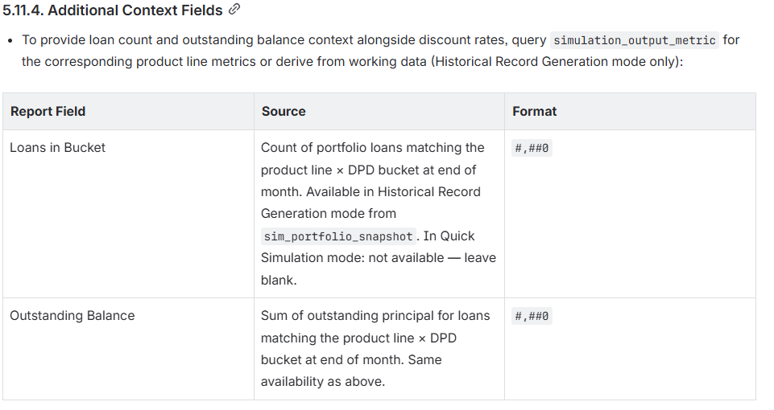
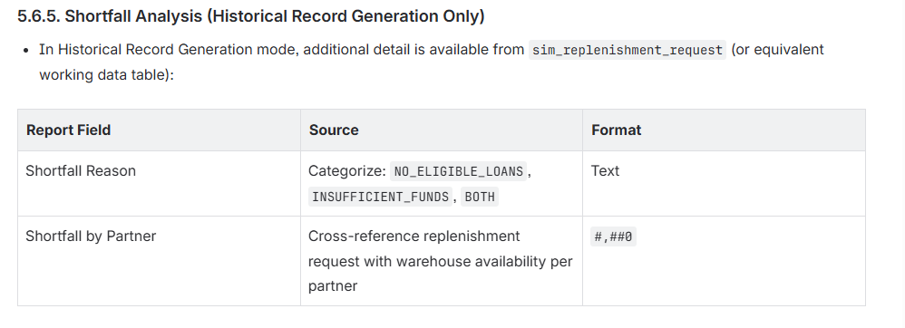
simulation_output_summary
abs_main
simulated_abs
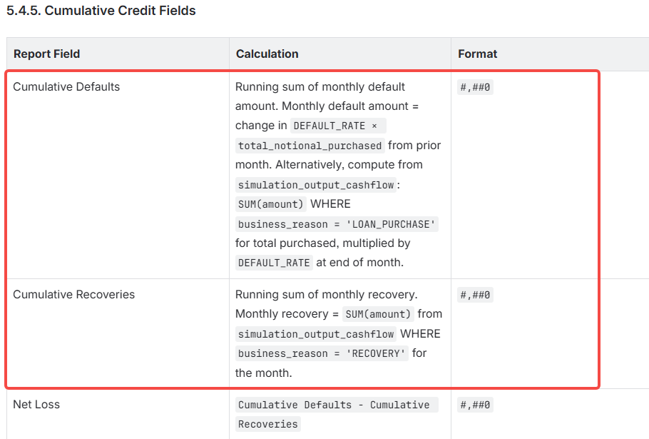
simulation_output_metric | metric_name = 'Cumulative Defaults' --增加 | DEFAULT_RATE指标的分子
 | metric_name = 'Cumulative Recoveries' --增加 | Cumulative Recoveries是RECOVERY_RATE指标的分子
 | metric_name : Shortfall Reason, metric_scope :Shortfall by Partner | 历史模式
simulation_output_cashflow_report | 实际用这张表ads_projection_cashflow_measurement
simulation_output_covenant_check

